WMS Order Creation
Order creation
 | 1. Create Order, Add order line detail
 | 2. Import LP/SerialNo - Click button [Import LP/Serial]
 | 3.Allocate Order
 | 4. Print Pick List - with serial number
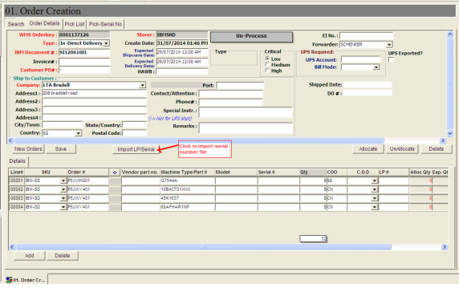

 | System prompt imported detail:

WMS PickList_Rpt
Order Creation | 1. Add button - [Import LP/Serial] to import assigned Serial number and LP for this order.
 | User to import the Serial file after order is created.

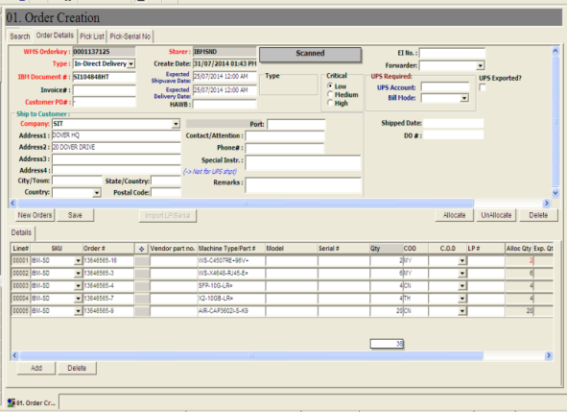
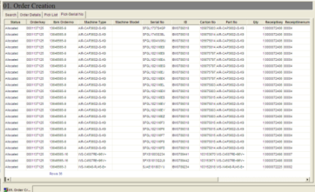

Pick list | added the partial assigned LP/ Serial number for picking
 | User to "Tick" on the check box for picking by Serial number
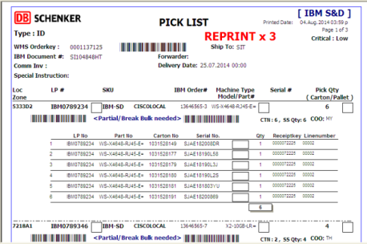

 |  | Total Ctn = 10, Allocated 6

